Truck Lay Bay Drawing
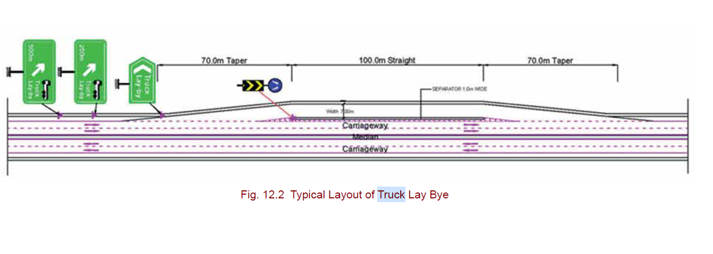
Drawing as per IRC SP 84 2014

